Sheet1
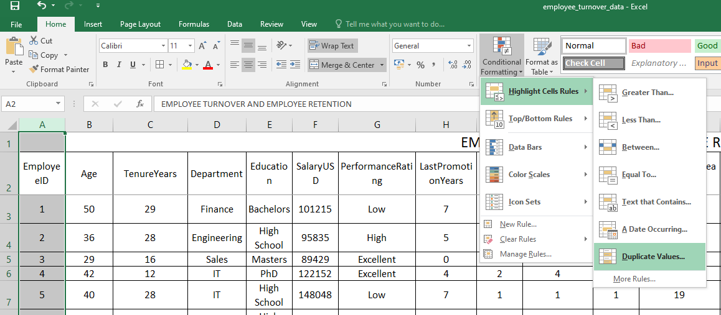
How many employee ID identified
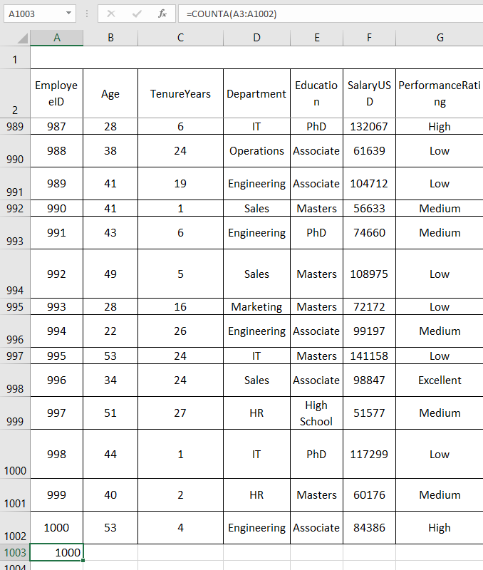

Identified Duplicate values in EMPLOYEE ID

